Sheet1
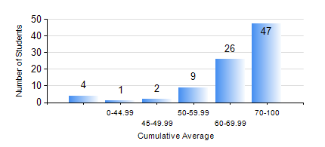
 |  |  | KWAME NKRUMAH UNIVERSITY OF SCIENCE AND TECHNOLOGY, KUMASI Department of Mechanical Engineering

 |  |  | BSC. AEROSPACE ENG., General Option

 |  |  | COMPREHENSIVE RECORD OF EXAMINATION RESULTS

 |  |  | RESULTS OF YEAR 1 FIRST SEMESTER, 2020/2021 ACADEMIC YEAR

 | Sn | Course Code |  | Course Name | Credit Hours | Min. Mark | Max. Mark | Avg. Mark | Std. Dev. | No. Passed | No. Trailed | No. (Df) | No. (I) | No. (I*) | No. Tagged(I,I*,Df) | Total
 | 0. |  |  |  |  |  |  | 0 | 0 | 0 | 0 | 0 | 0 | 0 | 0 | 7
 | 1. | AERO 157 |  | INTRODUCTION TO AVIATION TECHNOLOGY | 2 | 26 | 89 | 67 | 11.7 | 81 | 1 | 0 | 0 | 0 | 0 | 82
 | 2. | CE 155 |  | ENVIRONMENTAL STUDIES | 2 | 50 | 84 | 70 | 7.61 | 82 | 0 | 0 | 0 | 0 | 0 | 82
 | 3. | EE 151 |  | APPLIED ELECTRICITY | 3 | 45 | 99 | 68 | 12.38 | 82 | 0 | 0 | 0 | 0 | 0 | 82
 | 4. | ENGL 157 |  | COMMUNICATION SKILLS I | 2 | 54 | 85 | 71 | 8.1 | 82 | 0 | 0 | 0 | 0 | 0 | 82
 | 5. | MATH 151 |  | ALGEBRA | 4 | 48 | 92 | 73 | 11.25 | 82 | 0 | 0 | 0 | 0 | 0 | 82
 | 6. | ME 157 |  | INTRODUCTION TO INFORMATION TECHNOLOGY | 2 | 60 | 89 | 73 | 7.15 | 82 | 0 | 0 | 0 | 0 | 0 | 82
 | 7. | ME 159 |  | TECHNICAL DRAWING | 3 | 8 | 93 | 72 | 12.66 | 81 | 1 | 0 | 0 | 0 | 0 | 82

